BURBERRYPOLOS
No | Image | Code | Name | Brand Name | Type | Gender | Season | MSRP (EU) | W/Price | S | M | L | XL | XXL | TOTAL QUANTITIES
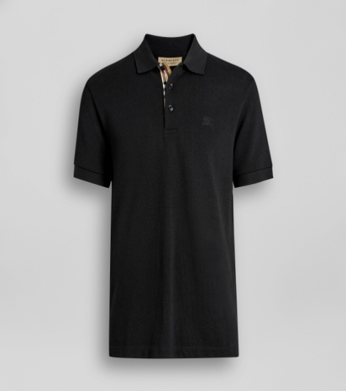 1 |  | 80009131 | A classic cotton piqué polo shirt with our signature check at the placket. Outer: 100% cotton Trim: 98% cotton, 2% elastane Machine wash Imported Made in Thailand | BURBERRY | Polo Shirt | Men | S/S | €220.00 | €59.00 | 145 | 290 | 290 | 145 | 145 | 1,015
No | Image | Code | Name | Brand Name | Type | Gender | Season | MSRP | W/Price | S | M | L | XL | XXL | TOTAL QUANTITIES
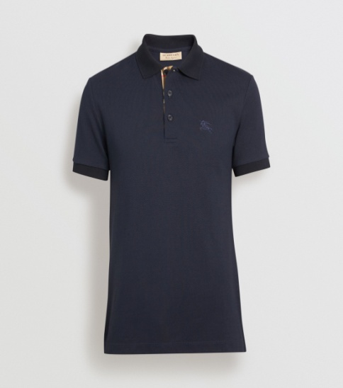 2 |  | 80009171 | A classic cotton piqué polo shirt with our signature check at the placket. Outer: 100% cotton Trim: 98% cotton, 2% elastane Machine wash Imported Made in Thailand | BURBERRY | Polo Shirt | Men | S/S | €220.00 | €59.00 | 133 | 266 | 266 | 133 | 133 | 931
No | Image | Code | Name | Brand Name | Type | Gender | Season | MSRP | W/Price | S | M | L | XL | XXL | TOTAL QUANTITIES
3 | 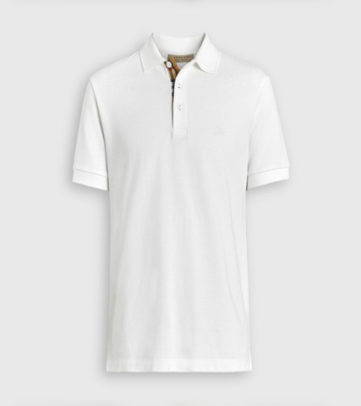 | 80009191 | A classic cotton piqué polo shirt with our signature check at the placket. Outer: 100% cotton Trim: 98% cotton, 2% elastane Machine wash Imported Made in Thailand | BURBERRY | Polo Shirt | Men | S/S | €220.00 | €59.00 | 150 | 300 | 300 | 150 | 150 | 1,050
No | Image | Code | Name | Brand Name | Type | Gender | Season | MSRP | W/Price | S | M | L | XL | XXL | TOTAL QUANTITIES
4 | 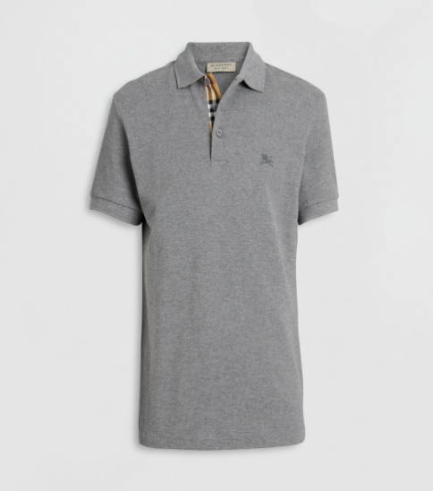 | 80009161 | A classic cotton piqué polo shirt with our signature check at the placket. Outer: 100% cotton Trim: 98% cotton, 2% elastane Machine wash Imported Made in Thailand | BURBERRY | Polo Shirt | Men | S/S | €220.00 | €59.00 | 120 | 240 | 240 | 120 | 120 | 840

